McNeil et al
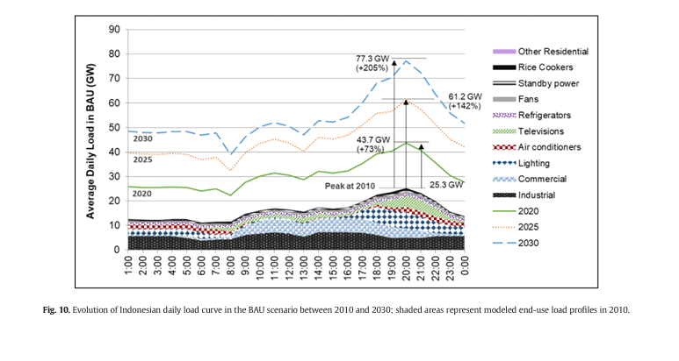

 | GWh | MWh
2020 Peak Load | 43.7 | 43700

